D1
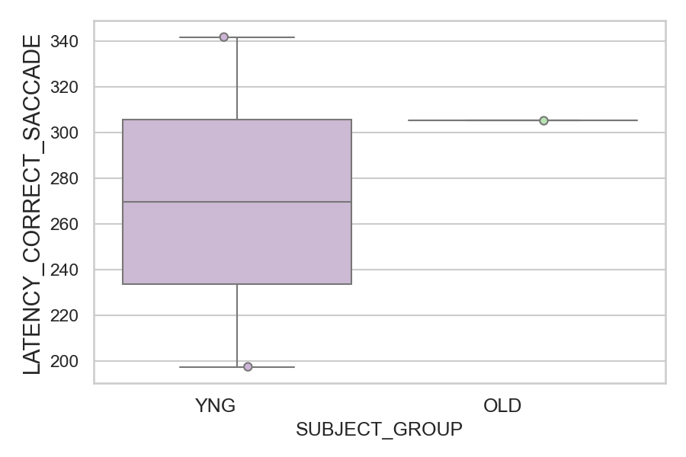
Latency of the first correct saccade after target onset (ms)(mean latency of all trials per subject)
SUBJECT_NAME | SUBJECT_GROUP | SUBJECT_AGE | VALUE
AW002AF | YNG | 19 | 341.63636364
CP001CTA | OLD | 65 | 305.33333333
AW001CG | YNG | 19 | 197.62962963

D1 (types)
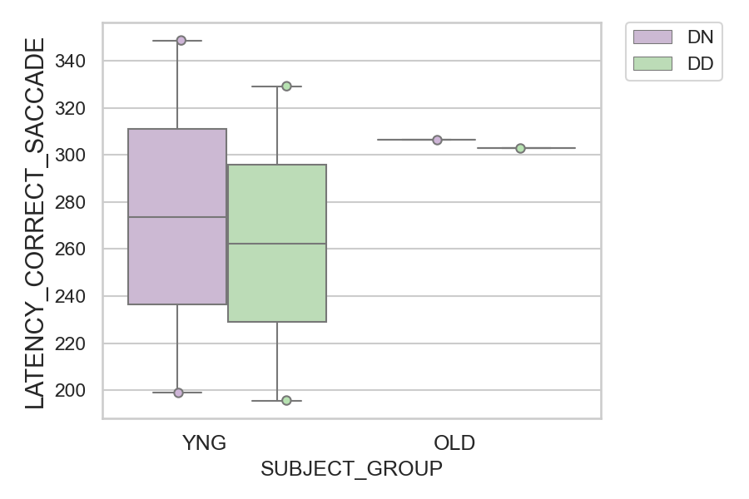
Latency of the first correct saccade after target onset (ms)(mean latency of all trials per subject)
SUBJECT_NAME | SUBJECT_GROUP | CONDITION_APPEARANCE | SUBJECT_AGE | VALUE
AW002AF | YNG | DN | 19 | 348.71428571
AW002AF | YNG | DD | 19 | 329.25
CP001CTA | OLD | DN | 65 | 306.44444444
CP001CTA | OLD | DD | 65 | 303.11111111
AW001CG | YNG | DN | 19 | 198.82352941
AW001CG | YNG | DD | 19 | 195.6

